Table of Contents
 | Contents
1 | Axles
2 | Axle Hole (Pass through) #1
3 | Axle Pins
4 | Gears

5 | Pin Hole (#1)
6 | Regular Pins
7 | Pin Hole (#2)
8 | Axle Hole (Dead End)
9 | Axles, Special
10 | Half Height
11 | Bent Beams
12 | Technic Bricks
13 | Racks & Chain
14 | Small Wheels
15 | Axle Hole (Pass through) #2
16 | Miscellaneous

1-Axles
Bin 1: Axles

LEGO Axle 2 with Grooves (32062) [G] | LEGO Axle 3 (4519) [G] | LEGO Axle 4 (3705) [G] | LEGO Axle 5 (32073) [G] | 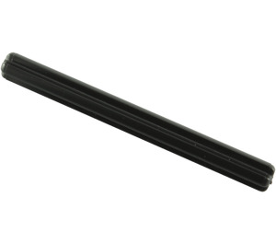 LEGO Axle 6 (3706) [G] | LEGO Axle 7 (44294) [G]

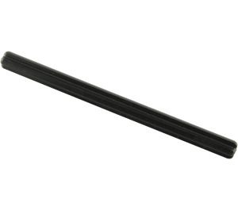 LEGO Axle 8 (3707) |  | 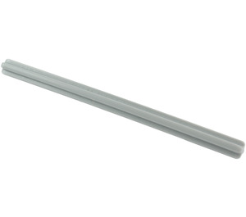 LEGO Axle 9 (60485) |  | LEGO Axle 10 (3737)

 LEGO Axle 11 (23948) |  | LEGO Axle 12 (3708) |  | EMPTY | EMPTY

EMPTY | LEGO Axle 4 with Middle Stop (99008) | EMPTY | 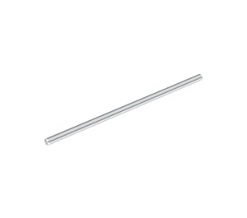 LEGO Axle 16 (50451 / 69732)

2-Axle Holes PT (1)
Bin 2: Axle Hole (pass through) #1

LEGO Claw with Axle Hole (Bionicle Eye) (41669 / 48267) | Axle Connector Hub with 2 Bar Holders Perpendicular (24122) | 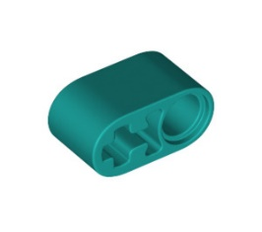 LEGO Beam 2 with Axle Hole and Pin Hole (40147 / 74695) [G] | LEGO Cross Block 90° 1 x 2 (Axle/Pin) (6536 / 40146) [G] | 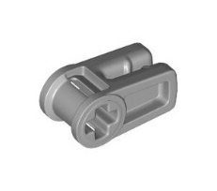 LEGO Wire Clip with Cross Hole (49283)

LEGO Technic Cross Block 2 x 2 x 2 Bent 90 Split (Pin/Twin Axle) (42193 / 92907) | Technic, Liftarm, Modified L-Shape Quarter Ellipse Thick 2 x 3 (71708) | LEGO Cross Block 2 x 2 Split (Axle / Twin Pin) (41678) [G] | Empty | LEGO Technic Through Axle Connector with Bushing (32039 / 42135) | LEGO Half Bushing (32123 / 42136) [G]

Empty | LEGO Flexible Rubber Axle Connector (45590) | Empty | LEGO Bushing (6590 / 42798) [G]

LEGO Cross Block 1 x 3 (42003 / 42796) [G] |  | 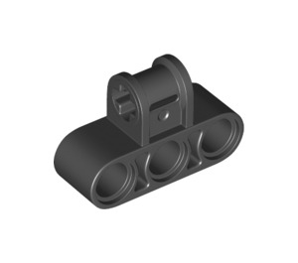 LEGO Technic Cross Block 3 x 2 (Axle/Triple Pin) (42191 / 63869) [G] |  | Empty | LEGO Cross Block 1 x 3 with Two Axle Holes (32184 / 42142) [G]

4-Gears
Bin 4: Gears

LEGO Worm Gear + Shape Axle (4716) | 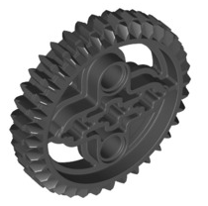 LEGO Bevel Gear with 36 Teeth (32498) [G]

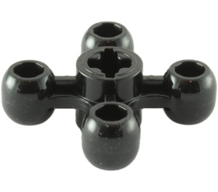 LEGO Gear with 4 Knobs (32072 / 49135) |  |  | 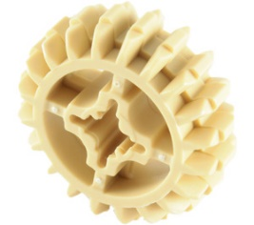 LEGO Bevel Gear with 20 Teeth Unreinforced (32269) [G]

LEGO Gear with 40 Teeth (3649 / 34432) [G] |  | LEGO Bevel Gear with 28 Teeth (46372) [G] |  | LEGO Gear with 24 Teeth (3648 / 24505) [G]

LEGO Bevel Gear Half with 12 Teeth (6589) | LEGO Bevel Gear Half with 20 Teeth (32198) | LEGO Gear with 16 Teeth (Reinforced) (94925) [G] | LEGO Gear with 8 Teeth Type 2 (10928) | LEGO Bevel Gear with 12 Teeth (32270) [G]

5-Pin Hole (1)
Bin 5: Pin Hole #1

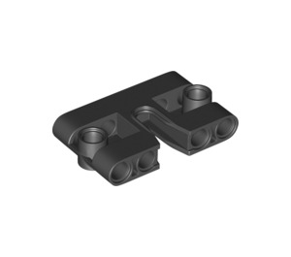 LEGO Panel 3 x 5 (67139) | LEGO Angle Connector #3 (157.5º) (32016 / 42128) | 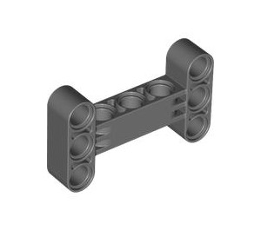 LEGO Beam 3 x 5 I Frame (14720) [Q] | LEGO Beam 1 x 2 x 4 with Cross and Hole (80910) | LEGO Cross Block with Four Pin Holes and Axle Hole (49491 / 98989) | 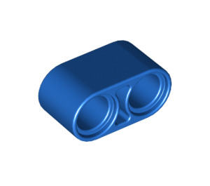 LEGO Beam 2 (43857)

LEGO Cross Block 90° 1 x 2 (Axle/Pin) (6536 / 40146) [G] | LEGO Beam 1 x 2 x 5 Bent 90 Degrees Quarter Ellipse (80286) | LEGO Angle Connector #4 (135º) (32192 / 42156) | LEGO Beam 1 x 2 x 3 Bent 90 Degrees Quarter Ellipse (71708) | LEGO Cross Block 1 x 3 with Steering Knobs (32068 / 60558) | LEGO Beam 1 (18654)

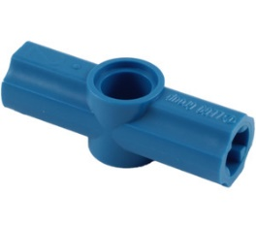 LEGO Angle Connector #2 (180º) (32034 / 42134) [G] | LEGO Long Pin with Center Hole (44874 / 87082) | LEGO Cross Block Bent 90 Degrees with Three Pinholes (44809) [G] | LEGO Angle Connector #5 (112.5º) (32015 / 41488) | LEGO Cross Block 2 X 3 with Four Pinholes (32557) | EMPTY

LEGO Beam 3 with Pins (2393) | LEGO Beam 3 x 3 T-Shaped (60484) [Q] | LEGO Technic Cross Block 2 x 2 x 2 Bent 90 Split (Pin/Twin Axle) (42193 / 92907) | LEGO Technic Cross Block 3 x 2 (Axle/Triple Pin) (42191 / 63869) [G] | LEGO Angle Connector #6 (90º) (32014 / 42155) [G] | LEGO Angle Connector #1 (32013 / 42127) [G]

6-Regular Pins
Bin 6: Regular Pins

LEGO Beam 3 x 0.5 with Knob and Pin (33299 / 61408) | LEGO Axle to Pin Connector (3749 / 6562) [G] | 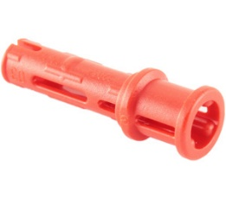 LEGO Long Pin with Friction and Bushing (32054 / 65304) [G] |  | LEGO Technic Connector with Pin and Hole (15100 / 65487) | LEGO Axle Pin 3 with Friction (11214)

LEGO Long Pin with Center Hole (44874 / 87082) | LEGO Bar 7.6 with Stop with Rounded End (2714) | LEGO Technic Connector with Hole and 2 Pins (15461 / 46189) | LEGO Technic Long Pin without Fricton (32556 / 39888) [G] | LEGO Pin without Friction Ridges (3673) [G] | LEGO Double Pin with Perpendicular Axlehole (32138 / 65098)

LEGO Pin with Ball (6628 / 66906) | LEGO Axle 2L with Friction Pin (18651) | LEGO Pin 3L with End Stop (77765) | 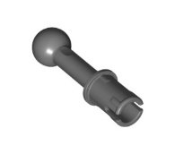 LEGO Pin with Ball (80477) | LEGO Half Pin with Stud (4274) [G] | LEGO Technic Connector Toggle Joint Smooth Double with 2 Pins (48496 / 65746) [G]

LEGO Beam 3 with Pins (2393) |  | EMPTY | 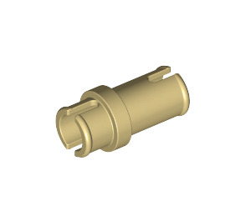 LEGO Three Quarter Pin (32002) | LEGO Axle to Pin Connector with Friction (43093) [G]

7-Pin Hole (2)
Bin 7: Pin Hole #2

LEGO Cross Block 1 x 3 (42003 / 42796) [G] | LEGO Cross Block 2 x 2 Split (Axle / Twin Pin) (41678) [G] | LEGO Cross Block 1 x 3 with Two Axle Holes (32184 / 42142) [G] | LEGO Cross Block with Two Pinholes (32291 / 42163) [G] | LEGO Beam 2 with Axle Hole and Pin Hole (40147 / 74695) [G] | LEGO Beam 1 Hole with 2 Axles 180° (27940)

LEGO Pin Joiner Round with Slot (29219 / 62462) |  | LEGO Beam 1 with Perpendicular Axles (10197) | LEGO Technic Connector with Hole and 2 Pins (15461 / 46189) | Technic, Liftarm, Modified U-Shape Thick 2 x 3 Perpendicular (3167) | 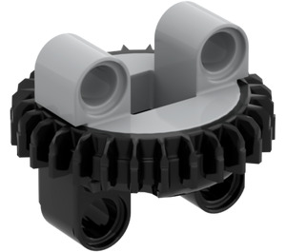 LEGO Small Turntable Assembly

Technic, Pin Connector Perpendicular 2 x 4 Bent (11455) | LEGO Technic Connector with Pin and Hole (15100 / 65487) |  | EMPTY | LEGO Beam 1 with Axle (22961) | LEGO Beam 1 (18654)

LEGO Beam 2 (43857) | 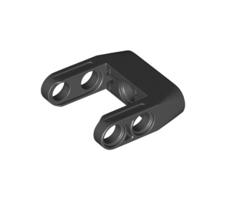 LEGO Black Beam 3 with Axle Holes on Ends and Fork (49137 / 87408) |  |  |  | EMPTY

8-Axle Hole DE
Bin 8: Axle Hole (Dead End)

LEGO Angle Connector #3 (157.5º) (32016 / 42128) | LEGO Beam 1 x 2 x 4 with Cross and Hole (80910) | LEGO Angle Connector #1 (32013 / 42127) [G] |  | LEGO Output Shaft for Constant Velocity Joint (92906) & LEGO Input Shaft for Constant Velocity Joint (19991 / 32494) | LEGO Technic Through Axle Connector with Bushing (32039 / 42135)

LEGO Angle Connector #6 (90º) (32014 / 42155) [G] |  | EMPTY | LEGO Universal Joint 4 (9244) | LEGO Angle Connector #4 (135º) (32192 / 42156)

Macaroni Pipe LEGO Round Brick Elbow 90 Degree Bend (25214) | LEGO Angle Connector #5 (112.5º) (32015 / 41488) | LEGO Angle Connector #2 (180º) (32034 / 42134) [G] |  | LEGO Extension with Axle Holes (26287 / 42195) | 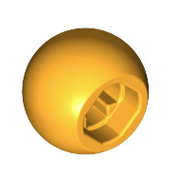 LEGO Technic Ball (18384 / 32474)

LEGO Long Pin with Friction and Bushing (32054 / 65304) [G] |  | LEGO Black Beam 3 with Axle Holes on Ends and Fork (49137 / 87408) |  | LEGO Axle Connector (Smooth with 'x' Hole) (59443) [G]

9-Axles, Special
Bin 9: Axles, Special

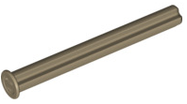 LEGO Axle 5 with End Stop (15462) | LEGO Axle 5.5 Double with Stop (32209 / 59426) | LEGO Axle 3 with Stud (6587 / 13670) | EMPTY | EMPTY | EMPTY

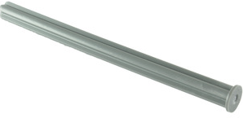 LEGO Axle 8 with End Stop (55013) |  | EMPTY | 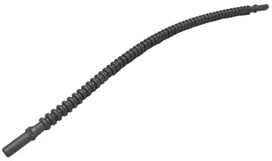 LEGO Flexible Ribbed Hose (19 Studs Long) with 8 mm ends (14925 / 57539)

LEGO Axle 4 with End Stop (87083) | 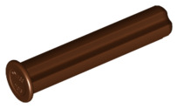 LEGO Axle 3 with End Stop (24316) | EMPTY | EMPTY | EMPTY | EMPTY

 LEGO Axle 32 (13927 / 50450)

10-Half Height
Bin 10: Half-height Beams

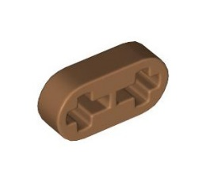 LEGO Beam 2 x 0.5 with Axle Holes (41677 / 44862) | 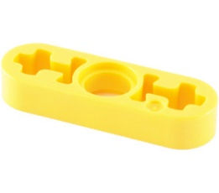 LEGO Beam 3 x 0.5 Thin with Axle Holes (6632 / 65123) | LEGO Beam 4 x 0.5 Thin with Axle Holes (32449 / 63782) |  | 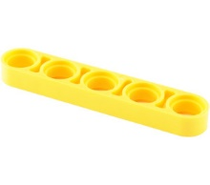 LEGO Beam 5 x 0.5 Thin (32017) | LEGO Beam 6 x 0.5 Thin (28570 / 32063)

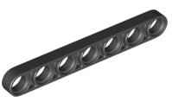 LEGO Beam 7 x 0.5 Thin (32065 / 58486) | 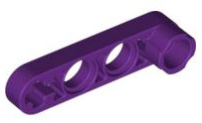 LEGO Beam 1 x 4 x 0.5 (2825 / 32006) | 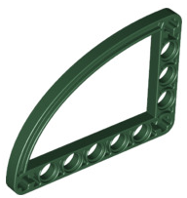 LEGO Beam 5 x 7 x 0.5 Bent 90 Degrees Quarter Elipse (32251) |  | LEGO Beam 3 x 3 x 0.5 Bent 90 Degrees Quarter Circle (32249 / 65125) | LEGO Beam 3 x 3 x 0.5 Bent 90 Degrees L Shape (32056 / 59605)

EMPTY | 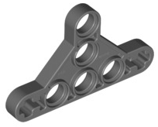 LEGO Beam 3 x 5 x 0.5 Triangle Thin Type 2 (65193 / 99773) |  |  |  | EMPTY

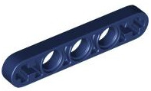 LEGO Beam 5 x 0.5 Thin with Axle Holes (11478 / 44864) | EMPTY | EMPTY | EMPTY | 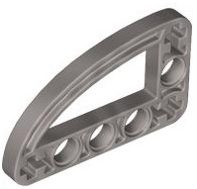 LEGO Beam 3 x 5 x 0.5 Bent 90 Degrees Quarter Ellipse (32250 / 65714)

11-Bent Beams
Bin11: Bent Beams

EMPTY | EMPTY

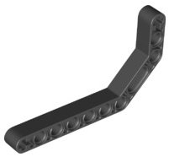 LEGO Beam 3 x 3.8 x 7 Bent 45 Double (32009 / 41486) [Q]

LEGO Beam Bent 53 Degrees, 3 and 7 Holes (32271 / 42160) [Q] | 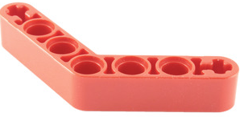 LEGO Beam Bent 53 Degrees, 4 and 4 Holes (32348 / 42165) [Q]

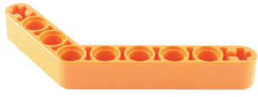 LEGO Beam Bent 53 Degrees, 4 and 6 Holes (6629 / 42149) [Q]

12-Technic Bricks
Bin12: Technic Bricks

LEGO Brick 5 x 5 Corner with Holes (28973 / 32555) | LEGO Brick 1 x 6 with Holes (3894) | 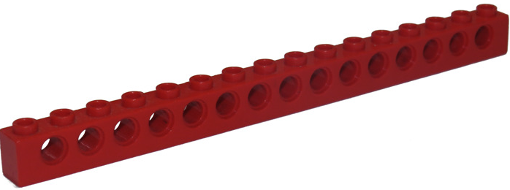 LEGO Brick 1 x 16 with Holes (3703) |  |  | LEGO Brick 1 x 2 with 2 Holes (32000)

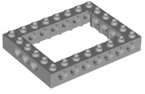 LEGO Brick 6 x 8 with Open Center 4 x 6 (1680 / 32532) |  |  | LEGO Technic Brick Wing 1 x 6 x 1.67 (2744 / 28670) & LEGO Brick 4 x 6 with Open Center 2 x 4 (32531 / 40344) |  | LEGO Brick 1 x 2 with Hole (3700) & LEGO Brick 1 x 1 with Hole (6541)

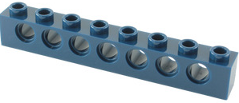 LEGO Brick 1 x 8 with Holes (3702) |  | 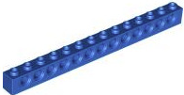 LEGO Brick 1 x 14 with Holes (32018) |  | LEGO Brick 2 x 2 with Ball Joint Socket (67696) & LEGO Brick 2 x 2 with Two Ball Joints with Holes in Ball and axle hole (17114) | LEGO Brick 1 x 2 with Pin Hole and 2 Half Beam Side Extensions with Axle Hole (49132 / 85943)

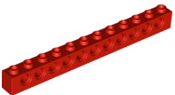 LEGO Brick 1 x 12 with Holes (3895) |  | 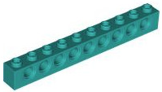 LEGO Brick 1 x 10 with Holes (2730) |  | 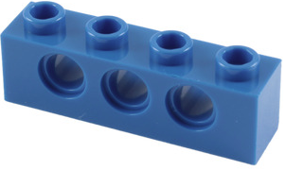 LEGO Brick 1 x 4 with Holes (3701) | 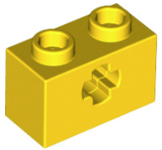 LEGO Brick 1 x 2 with Axle Hole ('X' Opening) (32064)

13-Racks & Chain
Bin13: Racks & Chain

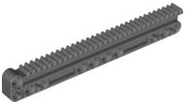 LEGO Gear Rack 14 x 2 with Groove and Connectors (18942 / 60578) |  |  | LEGO Gear Rack 11 x 11 Quarter Circle (24121 / 43038)

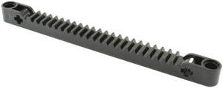 LEGO Gear Rack 13 (53504 / 64781) |  | 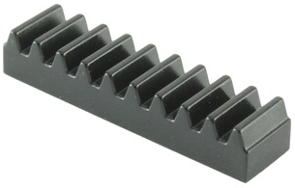 LEGO Gear Rack 4 (3743 / 4296)

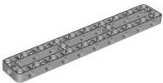 LEGO Beam Frame 3 x 19 (67491) |  |  | 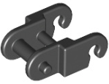 LEGO Chain Link without Beveled Edge (3711)

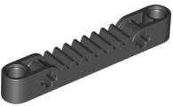 LEGO Gear Rack 7 (65127 / 87761) | EMPTY | EMPTY | EMPTY | EMPTY | EMPTY

14-Small Wheels
Bin14: Small Wheels

 LEGO Technic Sprocket Wheel Ø40.4 (57519) |  | LEGO Connector Round with Pin and Axle Holes (31511 / 98585) | VARIOUS WHEELS

LEGO Wheel Rim Ø18 x 14 with Pin Hole with Tire 30.4 x 14 with Offset Tread Pattern and No band (55981) & LEGO Wheel Rim Ø18 x 14 with Pin Hole (20896 / 55981) & LEGO Tire Ø30.4 x 14 with Offset Tread and No band (30391) |  |  |  LEGO Wheel Rim Ø30 x 14 (56904)

 LEGO Wedge Belt Wheel (4185 / 49750) |  | LEGO Tire for Wedge-Belt Wheel/Pulley (2815 / 70162) | LEGO Medium Stone Gray Wheel Rim Ø11.2 x 8 with Centre Groove (42610)

LEGO Wheel Rim Ø18 x 7 (56903) & LEGO Tire Ø24 x 7 Narrow (61254) | LEGO Beam 3 x 5 with Ball Cup (39370) & LEGO Technic Ball Pivot Parts Pack Set 992185 & LEGO Dia. 19 Wheel Ball (52629)

16-Various
Bin16: Miscellaneous

 LEGO Disk 3 x 3 (2723 / 2958) | LEGO Worm Gear with Axle Hole (73763) & LEGO Brick 2 x 2 x 1.3 with Worm Gear Screw Hole (73764) |  | Various Lego pieces with pins and/or pin holes

LEGO Gearbox for Worm Gear (6588 / 28698) | LEGO Linear Actuator 10-15 (61927) & LEGO Linear Actuator 7-9 (37774 / 92693) & LEGO Technic Power Functions Linear Actuator Bracket Hinged Mount (61904 / 65767) & LEGO Large Shock Absorber with Soft Spring (18404 / 74741) |  | Rope with hook | LEGO Worm Gear (Small for Angled Gear) (27938)

Various lego pieces |  LEGO Beam 15 with Side Holes (71710) |  |  LEGO Beam 11 with Side Holes (73507)

LEGO Power Functions Winch 2 x 4 x 2 1/3 (61100 / 95283) |  LEGO Brick 2 x 6 x 2 Weight with Plate Bottom (2378 / 73090) | Various technic links & connector arms

